Model Estimation & MT
Model Estimation
 | Description | Output
 | Add option to select model type. For example: Classification model, Time-series model, regression models, etc. For Time-series models add techniques like: ARIMA/ARIMAx, ARDL, VAR, VECM, Linear regression, Lasso regression , Pannel regression etc. Add an option to select mandatory variables for linear regression and ARIMAx. Show outputs for models with and without mandatory variables. All model outputs sholud have model summary, which includes: Estimates, Standard error, t-stats and p-value. Also, add performance table, which inclues: R-square/Adj-rsquare, RMSE, MAPE etc. Add an option to name the models and save/discard the models. | 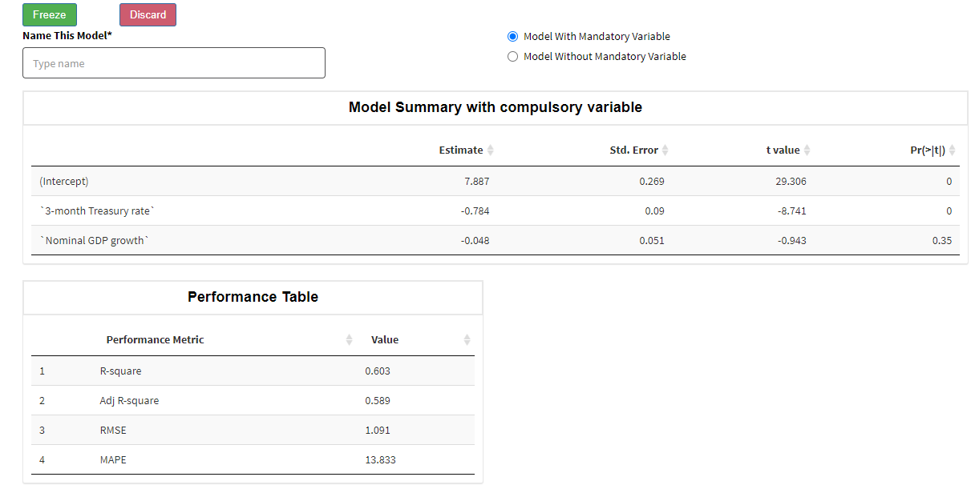

Model Testing (Performance test)
 | Description | Output
 | Add InSample and OutSample actual vs predicted plot for dependent variable(target variable) Show detail performance table, which contains the metrics shown in the right figure for different data sample. Show assumption test table specific to modeling techniques Show Normality plot | 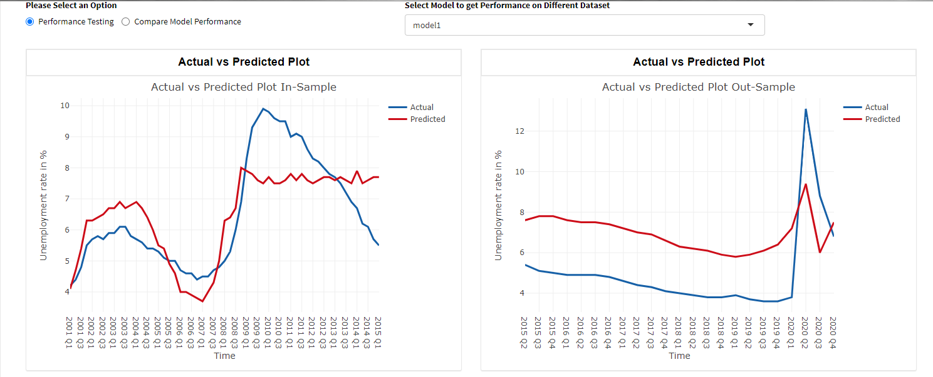 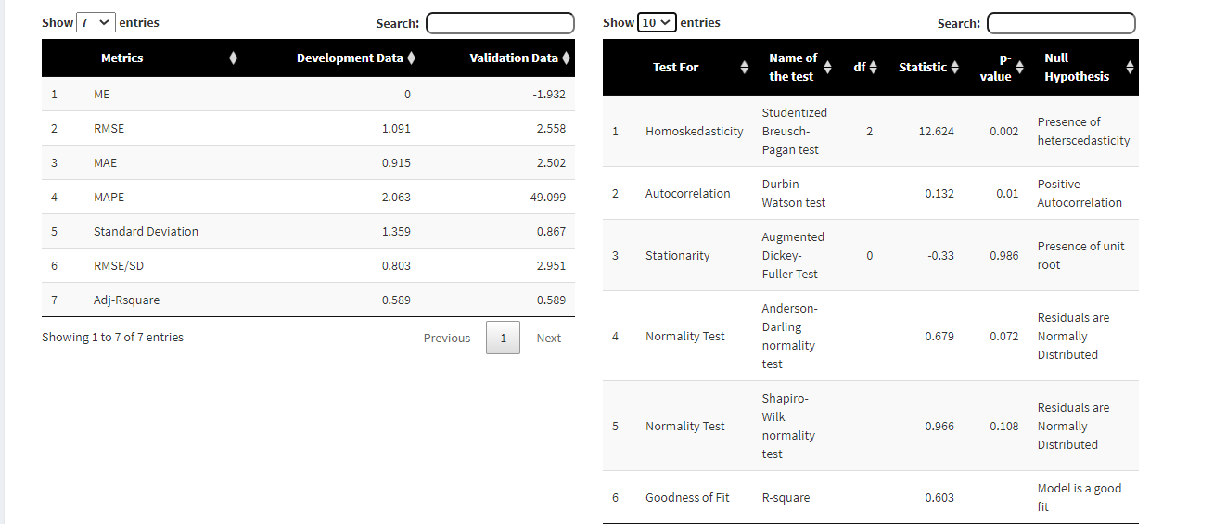

Model Testing (Comparison)
 | Description | Output
 | Compare all the saved model using the performance metrics mentioned in right figure Show comparison table on different data samples | 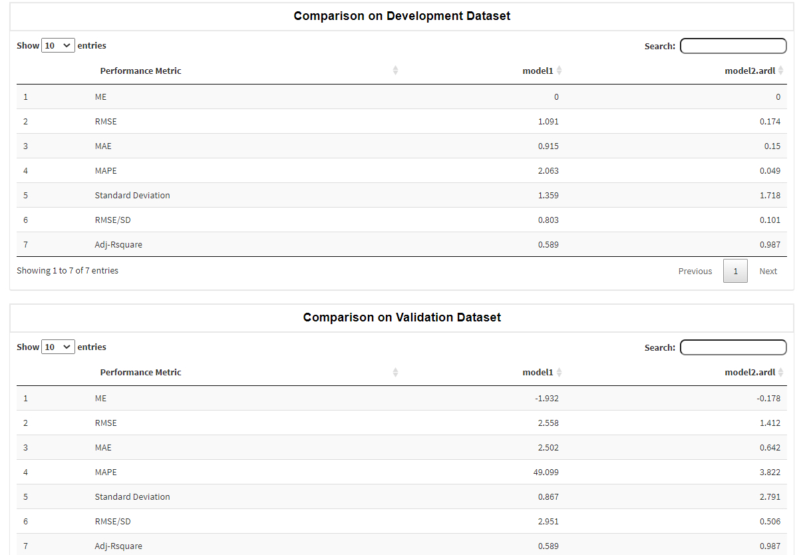

Model Testing (Back - testing)
 | Description | Output
 | Add an option to select different period (such as pre downturn, downturn, post downturn) Select dates corresponding to each period. This date should update from dataset. Generate Actual vs Predicted plot and performance table for each period | 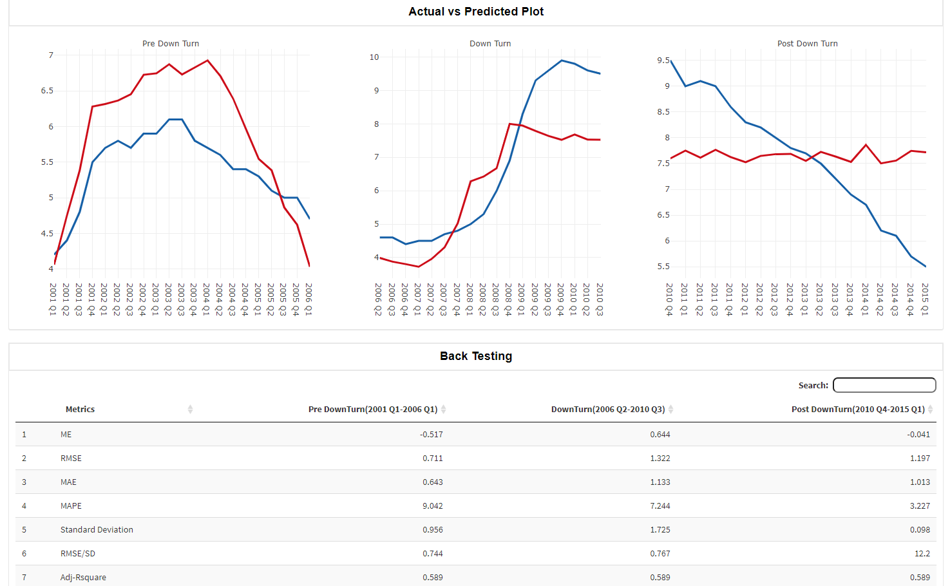

Model Testing (Forecast)
 | Description | Output
 | Create an input for linear regression, ARIMAx models to upload independent variables for forecast period. Also, select the dates for these models to forecast. For ARDL, VECM, VAR models add an option to select step for which forecast needs to be done. In Output show forecasted values along with dates. Also, there should be an option to download these values along with actual data. Show trend plot of actual values along with forecasted values in different color code (right figure) | 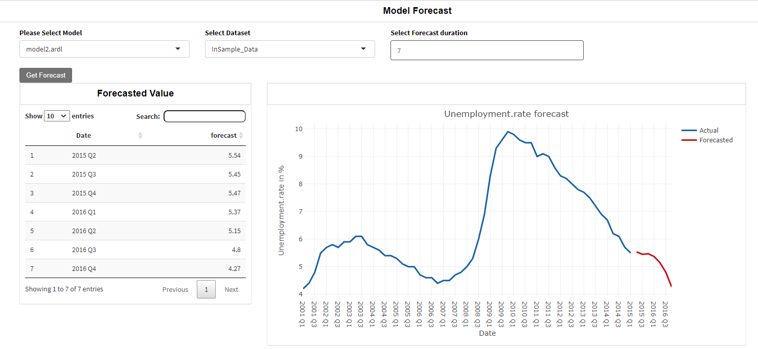

Transformation & Sampling
Transformation
Description | Output
Add an option to select transformation like, Log, QoQ, YoY and difference. Also, there should be an option to select the lag for all these transformation. Output for these transformation should contain summary stats along with different plots before and after transformation. Follow proper naming of transformed variables (please see the output example) | 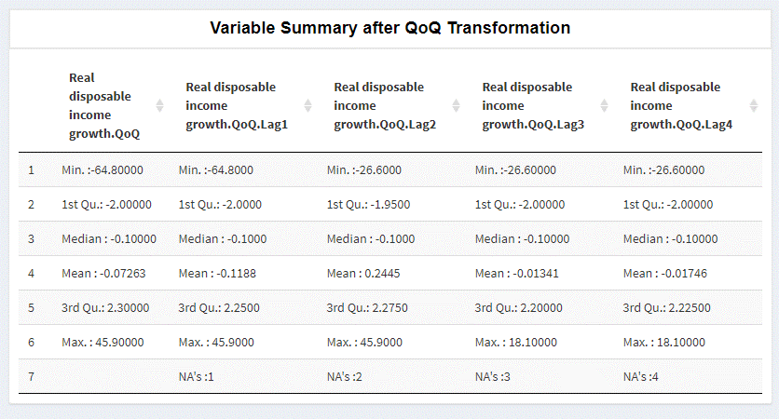

Sampling
Description | Output
Add an option to select sample using date column. Select date range for InSample/OutSample data, these range should be continuous. For example: if data is from 2000Q1 till 2020Q4, InSample will be from 2000Q1 till 2015Q1 and OutSample will be 2015Q2 till 2020Q4. In Output there should be an option to select any variable to get the summary stats and trend plot on different samples. | 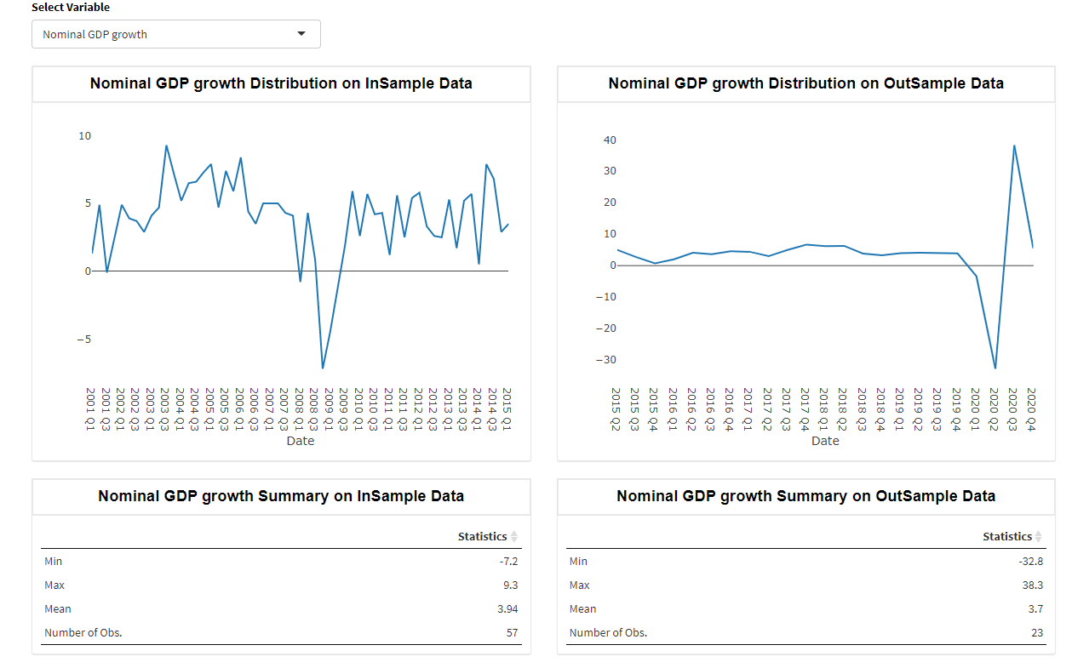

Time Series Analysis(EDA)
1 | Stationarity test
 | Description | Output
 | Option to select one or more variable at a time. Also, there should be an options to select different tests to check stationarity. Provide the interpretation of each tests | 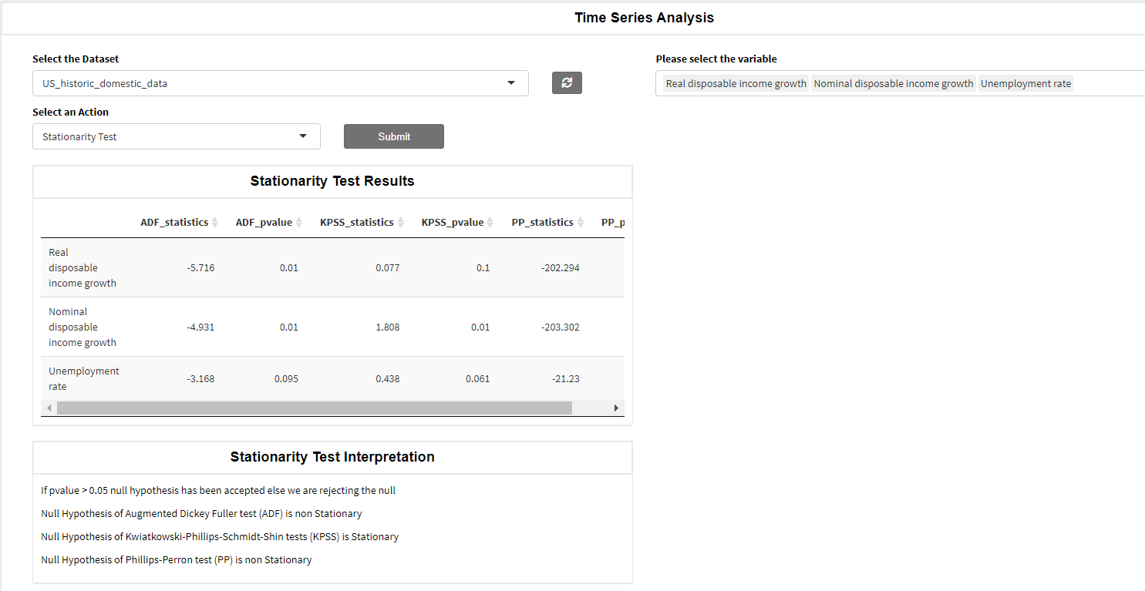

2 | ACF/PACF Plot
 | At present we are doing ACF/PACF plot for one variable at a time. But there should be functionality to do it for multiple variables at a time. | 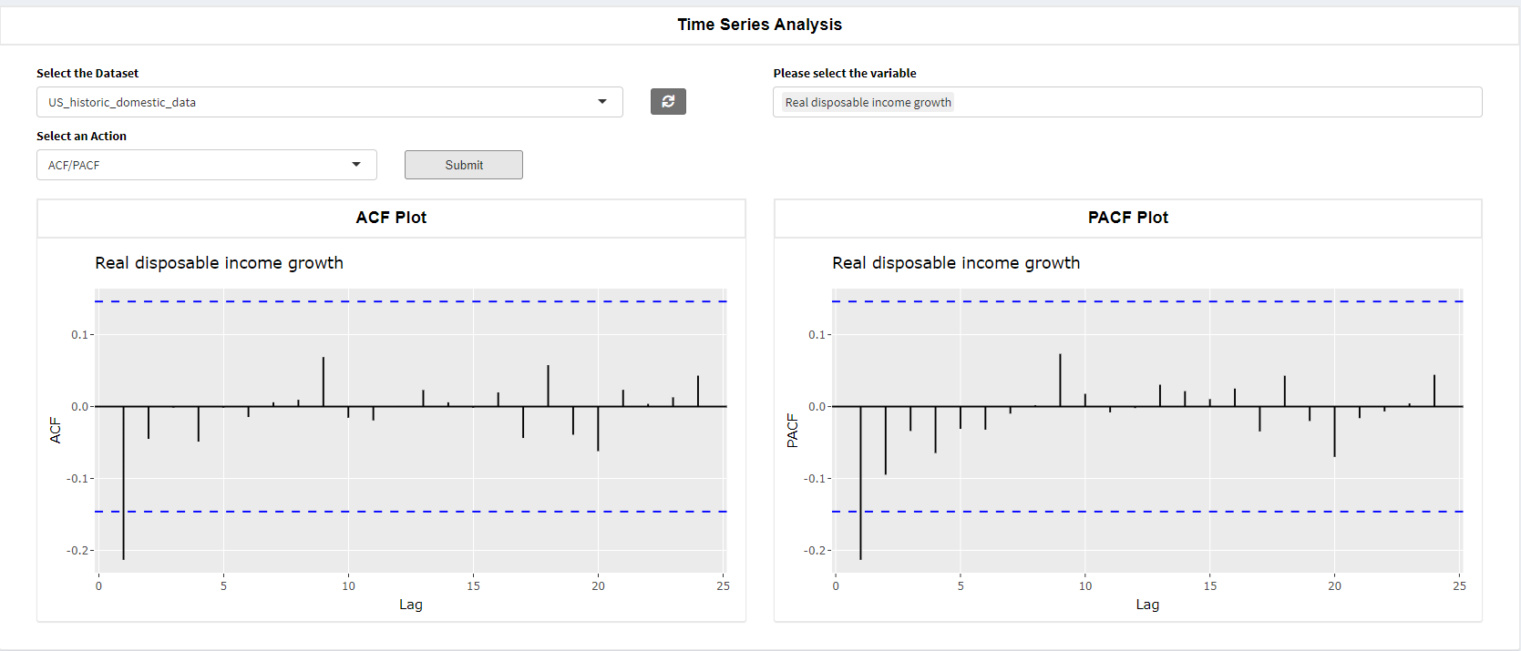

3 | Granger Causality test
 | There should be option to perform the causality test for two or more variables at a time. You might have to use VAR model to perform causality test for multiple variables (read about this). Also, there should be an option to choose order for this test. Output should contains test description/interpretation | 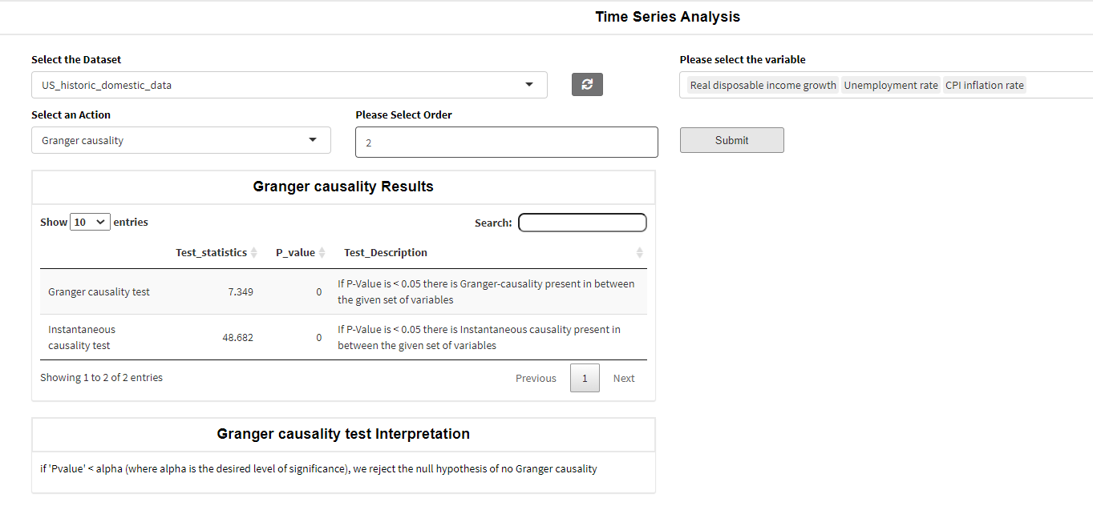

4 | Cointegration test
 | We usually use Johansen cointegration test (read about this). All the inputs are similar to causality test. Output should contain proper interpretation along with recommended cointegration term/factor. | 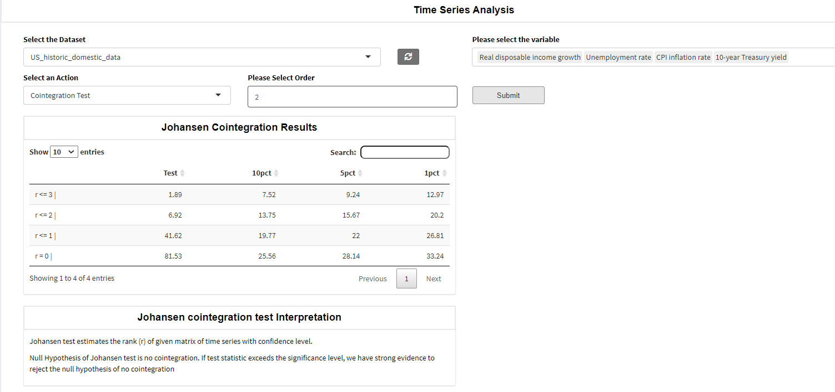

5 | Seasonality test
 | We need to add some test for seasonality also. Please read about this.

